Panel RFQ
LED PANEL QUOTE REQUEST FORM (WITH FRAME)

DATE SUBMITTED:

HERA CONTACT:

SNAP FRAME DETAIL
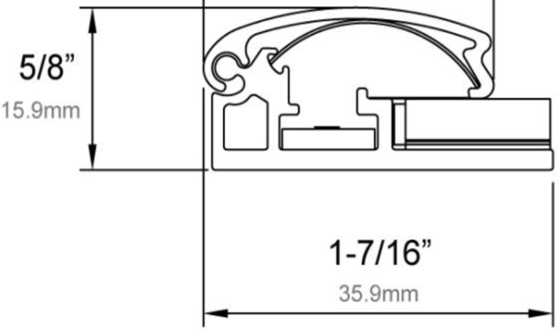
FRAME DEPTH
PANEL DEPTH
4mm or 6mm

FRAME COLOR:

 | STANDARD: | BLACK, SILVER
 |  | CUSTOM COLORS AVAILABLE

WIDTH
 |  |  |  |  | 5/8"
FRAME DIMENSIONS: | LENGTH: |  | WIDTH: | DEPTH: |  |  | 0

LENGTH

 |  |  |  |  |  | 0

COLOR TEMP (K): | 6500

 | STANDARD: | 6500K
 | OPTION: | 5300K, 4100K, OTHER

BRIGHTNESS: | STANDARD:
(AVERAGE LUX)
 | STANDARD: | 2500 - 3000 LUX
 | OPTION: | Up to 5000 LUX

CUSTOM SPECS:

PROJECT QUANTITY:

 | ITEMS BELOW THIS LINE ARE TO BE FILLED OUT BY HERA

ITEM#:

RFQ#:

 | PROPRIETARY AND CONFIDENTIAL

